Day-1
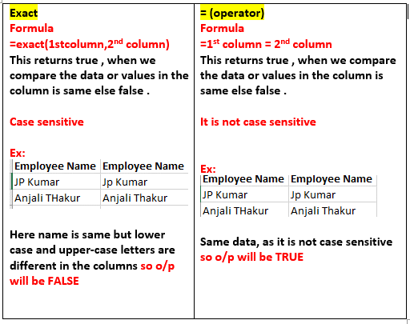
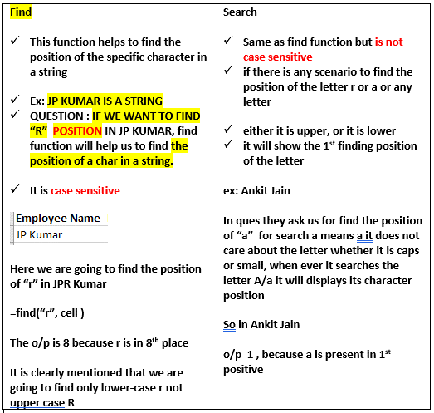
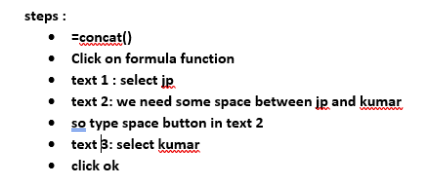
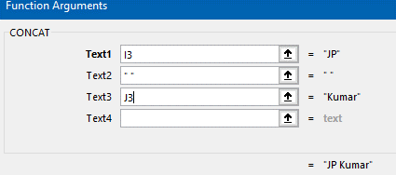
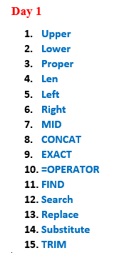
 |  |  | rectify the error arjun jAiN(here JAiN is not in proper format) | used to calculate char of each name | from left I need 3 char so I put 3 | from RIGHT I need 4 char so I put 4 |  |  |  |  | CONCAT |  |  | true or false and it is case sentive function) | same as exact but it is not case sensitive | in jp kumar I need to find r position in jp kumar | search is same as find but is not case sensitive | to replace jp kumar to pp kumar entire word also we can change | SUBSITUTING SMALL A WITH CAPS A
Employee Name | Upper | Lower | Proper | Len | Left | Right | MID | First Name | Last Name |  | Full Name | Employee Name | Employee Name | Exact | (Operator) | Find | Search | Replace | Substitute | Employee Name | Trim
JP Kumar | JP KUMAR | jp kumar | Jp Kumar | 8 | JP | umar | uma | JP | Kumar | JPKumar@gmail.com | JP Kumar | JP Kumar | Jp Kumar | FALSE | TRUE | 8 | 1 | Jp sharma | jp Kumar | JP Kumar | JP Kumar
Anjali THakur | ANJALI THAKUR | anjali thakur | Anjali Thakur | 13 | Anj | akur | njali | Anjali | THakur | AnjaliTHakur@gmail.com | Anjali-THakur | Anjali THakur | Anjali Thakur | FALSE | TRUE | 4 | 1 | ppjali Thakur | AnjAli ThAkur | Anjali THakur | Anjali THakur
Priya AgarwaL | PRIYA AGARWAL | priya agarwal | Priya Agarwal | 13 | Pri | rwaL | riya | Priya | AgarwaL | PriyaAgarwaL@gmail.com | Priya_AgarwaL@yahoo.com | Priya AgarwaL | Priya Agarwal | FALSE | TRUE | 5 | 5 | ppiya Agarwal | PriyA AgArwAl | Priya AgarwaL | Priya AgarwaL
R Vasu | R VASU | r vasu | R Vasu | 6 | R V | Vasu | Vasu | R | Vasu | RVasu@gmail.com | R*Vasu@gmail.com | R Vasu | R Vasu | TRUE | TRUE | 4 | 4 | ppVasu | R VAsu | R Vasu | R Vasu
Sanjay GuptA | SANJAY GUPTA | sanjay gupta | Sanjay Gupta | 12 | San | uptA | anjay | Sanjay | GuptA | SanjayGuptA@gmail.com |  | Sanjay GuptA | Sanjay Gupta | FALSE | TRUE | 2 | 2 | ppnjay Gupta | SAnjAy GuptA | Sanjay GuptA | Sanjay GuptA
Jharna Biswal | JHARNA BISWAL | jharna biswal | Jharna Biswal | 13 | Jha | swal | harna | Jharna | Biswal | JharnaBiswal@gmail.com |  | Jharna Biswal | Jharna Biswal | TRUE | TRUE | 3 | 3 | pparna Biswal | JhArnA BiswAl | Jharna Biswal | Jharna Biswal
Prakash Dutta | PRAKASH DUTTA | prakash dutta | Prakash Dutta | 13 | Pra | utta | rakas | Prakash | Dutta | PrakashDutta@gmail.com |  | Prakash Dutta | Prakash Dutta | TRUE | TRUE | 3 | 3 | ppakash Dutta | PrAkAsh DuttA | Prakash Dutta | Prakash Dutta
Manisha Guha | MANISHA GUHA | manisha guha | Manisha Guha | 12 | Man | Guha | anish | Manisha | Guha | ManishaGuha@gmail.com |  | Manisha Guha | Manisha Guha | TRUE | TRUE | 2 | 2 | ppnisha Guha | MAnishA GuhA | Manisha Guha | Manisha Guha
Arjun JAiN | ARJUN JAIN | arjun jain | Arjun Jain | 10 | Arj | JAiN | rjun | Arjun | JAiN | ArjunJAiN@gmail.com |  | Arjun JAiN | Arjun Jain | FALSE | TRUE | 8 | 1 | ppjun Jain | Arjun JAin | Arjun JAiN | Arjun JAiN
Arjun Kapoor | ARJUN KAPOOR | arjun kapoor | Arjun Kapoor | 12 | Arj | poor | rjun | Arjun | Kapoor | ArjunKapoor@gmail.com |  | Arjun Kapoor | Arjun Kapoor | TRUE | TRUE | 8 | 1 | ppjun Kapoor | Arjun KApoor | Arjun Kapoor | Arjun Kapoor

Transpose
Employee Name |  | Employee Name | JP Kumar | Anjali THakur | Priya AgarwaL | R Vasu | Sanjay GuptA | Jharna Biswal | Prakash Dutta | Manisha Guha | Arjun JAiN | Arjun Kapoor
JP Kumar | JP Kumar | JP Kumar | Anjali THakur | Priya AgarwaL | R Vasu | Sanjay GuptA | Jharna Biswal | Prakash Dutta | Manisha Guha | Arjun JAiN | Arjun Kapoor

Anjali THakur | Anjali THakur |  |  |  | Q-1 | Transpose A Column data in Horizontal Format
Priya AgarwaL | Priya AgarwaL |  |  |  | Q-2 | Transpose 16 Row data in Vertical Format
R Vasu | R Vasu | JP Kumar | Anjali THakur | Priya AgarwaL | R Vasu | Sanjay GuptA | Jharna Biswal | Prakash Dutta | Manisha Guha | Arjun JAiN | Arjun Kapoor
Sanjay GuptA | Sanjay GuptA
Jharna Biswal | Jharna Biswal

Prakash Dutta | Prakash Dutta
Manisha Guha | Manisha Guha |  |  | right click -> paste special will come

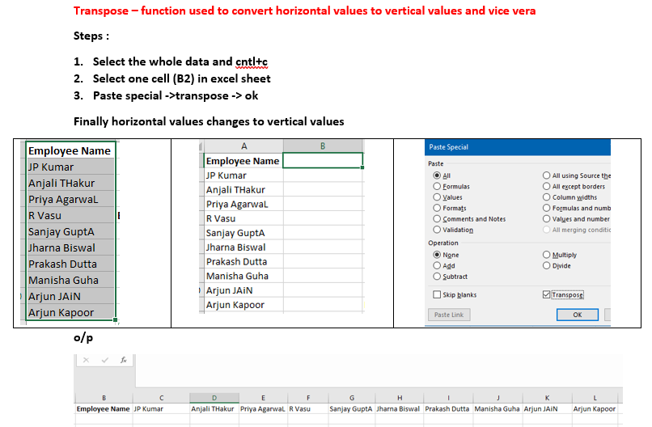
Arjun JAiN | Arjun JAiN
Arjun Kapoor | Arjun Kapoor

 | ff | ff
 | h' | h'
 | 989 | 989
 | uhu | uhu
 | oii | oii
 | oo | oo
 | ioj | ioj
 | 0i0 | 0i0

Paste Link
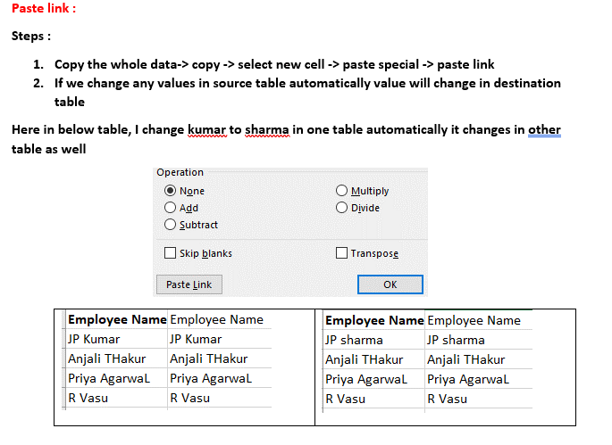
Employee Name | Employee Name | Employee Name | Employee Name
JP sharma | JP sharma | JP sharma | JP sharma
Anjali THakur | Anjali THakur | Anjali THakur | Anjali THakur
Priya AgarwaL | Priya AgarwaL | Priya AgarwaL | Priya AgarwaL
R Vasu | R Vasu | R Vasu | R Vasu
Sanjay GuptA | Sanjay GuptA | Sanjay GuptA | Sanjay GuptA
Jharna Biswal | Jharna Biswal | Jharna Biswal | Jharna Biswal
Prakash Dutta | Prakash Dutta | Prakash Dutta | Prakash Dutta
Manisha mara | Manisha mara | Manisha mara | Manisha mara
Arjun JAiN | Arjun JAiN | Arjun JAiN | Arjun JAiN
Arjun Kapoor | Arjun Kapoor | Arjun Kapoor | Arjun Kapoor

IFS Functions
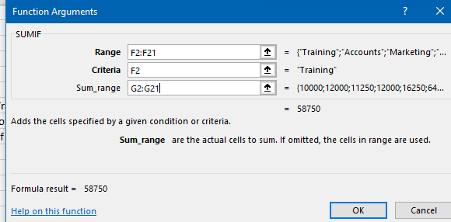
Emp Code | Employee Name | Address | City | Region | Department | Basic | Rank
1 | JP Kumar | Andheri (W) | Mumbai | W | Training | ₹ 10,000.00 | 8
2 | Anjali Thakur | Govindpuri | Delhi | N | Accounts | ₹ 12,000.00 | 3 | SUM | ₹ 184,600.00
3 | Priya Agarwal | Sector 9 |  | N | Marketing | ₹ 11,250.00 | 4 | AVG | ₹ 9,230.0
4 | R Vasu | Egmore | Chennai | S | R&D | ₹ 12,000.00 | 3 | MAX | ₹ 16,250.00 |  | Training | W
5 | Sanjay Gupta | G K - II | Delhi | N | Training | ₹ 16,250.00 | 1 | min | ₹ 4,500.00
6 | Jharna Biswal | Link Road | Cuttack | E | Accounts | ₹ 6,400.00 | 8 | count | 20.00
7 | Prakash Dutta | Elgin Road | Kolkata | E | Marketing | ₹ 4,500.00 | 13 | counta | 20 | Q-1 Total Salary of Training Department Employees | 58750 | SUMIF
8 | Manisha Guha | Alipore |  | E | R&D | ₹ 6,275.00 | 9 | countblank | 4 | Q-2 Average Salary of Training Department Employees | 11750 | AVERAGEIF
9 | Arjun Jain | MG Road | Mumbai | W | Training | ₹ 6,250.00 | 10 | count if | 7 | Q-3 Total Number of Employees from Training Department | 5 | COUNTIF
10 | Arjun Kapoor | Kormangala | Bangalore | S | Accounts | ₹ 8,750.00 | 6 | countif | 10
11 | Abrar | Jayanagar | Bangalore | S | Marketing | ₹ 11,250.00 | 2 | salary less than 10000
12 | Shahid Khan | M.G Road | Mangalore | S | R&D | ₹ 10,000.00 | 3 | countif | 5 | SUMIFS Q-1 Total Salary of Training Department Employees form W Region | 16250 | SUMIFS
13 | Anupam Mishra | Govindpuri | Mysore | S | Training | ₹ 16,250.00 | 1 | number of ppl working in training |  | AVERAGE IFS Q-2 Average Salary of Training Department Employees form W Region | 8125 | AVERAGEIFS
14 | Ashwini | Sector 9 | Mangalore | S | Accounts | ₹ 6,400.00 | 4 |  | 4 | COUNT IFS Q-3 Total Number of Employees from Training Department and form W Region | 2 | COUNTIFS
15 | Prateek Babbar | North Road | Delhi | N | Marketing | ₹ 4,500.00 | 6 |  | 5
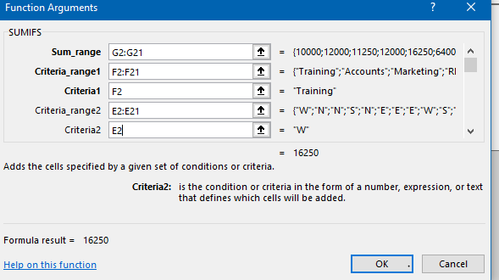
16 | Sukanya Reddy | Alipore |  | S | R&D | ₹ 6,275.00 | 4 | SUMIFS | 58750
17 | Satish Puri | Bandra | Mumbai | W | Operation | ₹ 6,250.00 | 4 | COUNTIFS |  | HOW MANY EMPLOYES WORKING IN ACCOUNTS IN BANGLORE | 1
18 | Anjum Chopra | Worli | Mumbai | W | R&D | ₹ 8,750.00 | 3 | AverageIFs | ₹ 11,750.00 | HOW MANY MEANS ----> COUNT
19 | Akram Khan | S P B Road |  | W | Operation | ₹ 11,250.00 | 1 |  |  | HOW MANY RD AND SOUTH | 3
20 | Manish Grover | L L R Road | Noida | N | Training | ₹ 10,000.00 | 1
 |  |  |  |  |  |  |  | employee in banGlore | 2

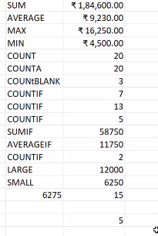
 |  |  |  |  |  |  |  | 4th highest salary | 12000
 |  |  |  |  |  |  |  | 4th smallest salry | 6250
 | SALARY OF OPERATION DEPT IN CUTTACK |  |  |  | 6250

 |  |  |  |  |  |  |  | 2nd highest salry | 16250
 |  |  |  |  |  |  |  | 2nd lowest salry

 |  |  |  |  |  |  |  | hightest salary in training department | 16250
 |  |  |  |  |  |  |  | maxifs function we need to choose
 |  |  |  |  |  |  |  | min salary in training | 6250
 |  |  |  |  |  |  |  | minifs we need to choose

 |  |  |  |  |  |  |  | which depart has more salaery

Naming Range
Employee Name | Basic |  |  | NOW CELL NAME CHANGED TO SALARY
Anjali Thakur | 10000 | WITH CELL NAME |  | SALARY
Anjum Chopra | 12000 | Sum | 131175 | 131175
Anupam Mishra | 11250 | Average | 10090.384615 | 10090.384615
Arjun Jain | 12000 | Max | 16250 | 16250
Arjun Kapoor | 16250 | Min | 4500 | 4500
Ashwini | 6400 | Count | 13 | 13
Jharna Biswal | 4500
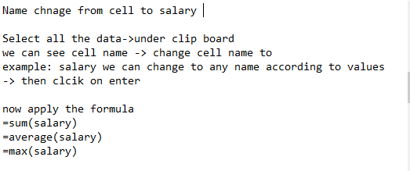
JP Kumar | 6275
Manish Grover | 6250
Manisha Guha | 8750
Prakash Dutta | 11250
Prateek Babbar | 10000
Priya Agarwal | 16250

fill Series
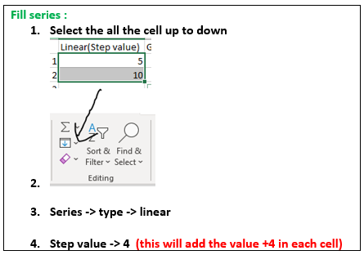
Linear | Linear(Step value) | Growth | Growth(With Step Value | Date | Month | Year | Weekday | Custom List
1 | 5 | 5 | 4 | 2022-06-06 | 2022-06-06 | 2022-06-06 | 2022-06-06 | excel | excel
2 | 9 | 30 | 48 | 2022-06-07 | 2022-07-06 | 2023-06-06 | 2022-06-07 | r | r
3 | 13 | 180 | 576 | 2022-06-08 | 2022-08-06 | 2024-06-06 | 2022-06-08 | sql | sql
4 | 17 | 1080 | 6912 | 2022-06-09 | 2022-09-06 | 2025-06-06 | 2022-06-09 | sas | sas
5 | 21 | 6480 | 82944 | 2022-06-10 | 2022-10-06 | 2026-06-06 | 2022-06-10 | python | python
6 | 25 | 38880 | 995328 | 2022-06-11 | 2022-11-06 | 2027-06-06 | 2022-06-13 | tableau | tableau
7 | 29 | 233280 | 11943936 | 2022-06-12 | 2022-12-06 | 2028-06-06 | 2022-06-14 | power bi | power bi
8 | 33 | 1399680 | 143327232 | 2022-06-13 | 2023-01-06 | 2029-06-06 | 2022-06-15
9 | 37 | 8398080 | 1719926784 | 2022-06-14 | 2023-02-06 | 2030-06-06 | 2022-06-16

Information
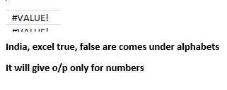
DATA | ISTEXT | ISNONTEXT | ISNUMBER | ISEVEN | ISODD | ISFORMULA | ISLOGICAL
34 | FALSE | TRUE | TRUE | TRUE | FALSE | FALSE | FALSE
54 | FALSE | TRUE | TRUE | TRUE | FALSE | FALSE | FALSE
A | TRUE | FALSE | FALSE | #VALUE! | #VALUE! | FALSE | FALSE
55 | FALSE | TRUE | TRUE | FALSE | TRUE | FALSE | FALSE
2023-11-22 | FALSE | TRUE | TRUE | TRUE | FALSE | TRUE | FALSE
India | TRUE | FALSE | FALSE | #VALUE! | #VALUE! | FALSE | FALSE
23 | FALSE | TRUE | TRUE | FALSE | TRUE | FALSE | FALSE
Excel | TRUE | FALSE | FALSE | #VALUE! | #VALUE! | FALSE | FALSE
TRUE | FALSE | TRUE | FALSE | #VALUE! | #VALUE! | FALSE | TRUE
89 | FALSE | TRUE | TRUE | FALSE | TRUE | FALSE | FALSE
23 | FALSE | TRUE | TRUE | FALSE | TRUE | FALSE | FALSE
FALSE | FALSE | TRUE | FALSE | #VALUE! | #VALUE! | FALSE | TRUE
52 | FALSE | TRUE | TRUE | TRUE | FALSE | FALSE | FALSE

text to column
DATA |  |  |  |  | Employee Name
KA-05-KP-8562 | KA | 5 | KP | 8562 | JP Kumar | JP | Kumar |  | Anjali | Thakur
MH-05-AP-9845 | MH | 5 | AP | 9845 | Anjali ,Thakur | Anjali | Thakur |  | Priya AgarwaL
TN-10-RD-9878 | TN | 10 | RD | 9878 | "Priya AgarwaL" | Priya AgarwaL |  |  | R#Vasu | Muthanna
AP-10-NA-2378 | AP | 10 | NA | 2378 | R#Vasu,Muthanna | R#Vasu | Muthanna | Muthanna | Sanjay | Gupta
TS-04-BA-9567 | TS | 4 | BA | 9567 | Sanjay;Gupta | Sanjay | Gupta |  | Jharna | Biswal
KL-07-ST-8923 | KL | 7 | ST | 8923 | Jharna ,Biswal | Jharna | Biswal |  | Prakash#Dutta
WB-11-CG-5679 | WB | 11 | CG | 5679 | Prakash#Dutta | Prakash#Dutta |  |  | Manisha | Guha
UP-09-ST-7453 | UP | 9 | ST | 7453 | Manisha;Guha | Manisha | Guha |  | Arjun | JAiN
OR-06-KN-4598 | OR | 6 | KN | 4598 | Arjun,JAiN | Arjun | JAiN |  | Arjun#Kapoor
DL-03-EG-8345 | DL | 3 | EG | 8345 | Arjun#Kapoor | Arjun#Kapoor |  |  | Ajay Kumar
GA-05-AP-3456 | GA | 5 | AP | 3456 | "Ajay Kumar" | Ajay Kumar

KA | 5 | KP | 8562
MH | 5 | AP | 9845
TN | 10 | RD | 9878
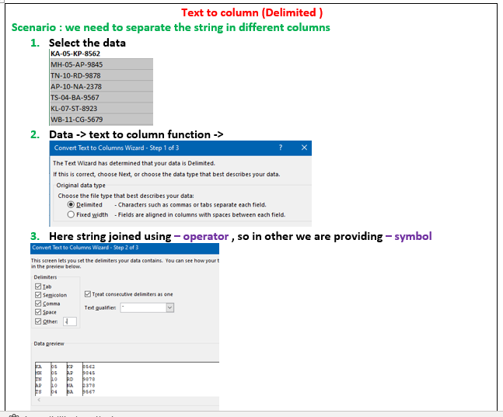
AP | 10 | NA | 2378
TS | 4 | BA | 9567
KL | 7 | ST | 8923
WB | 11 | CG | 5679
UP | 9 | ST | 7453
OR | 6 | KN | 4598
DL | 3 | EG | 8345
GA | 5 | AP | 3456

Flash Fill
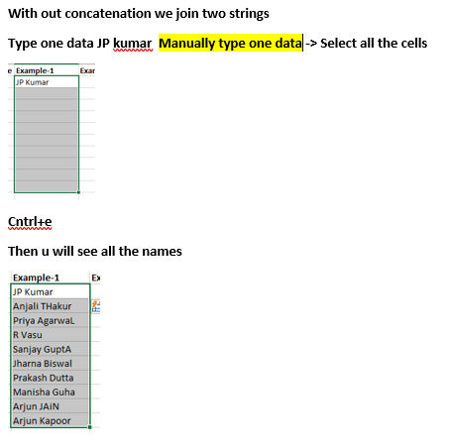
First Name | Last Name | Example-1 | Example-2 | Example-3 | Example-4
JP | Kumar | JP Kumar | JP KUMAR IBM | jp.kumar@gmail.com | jp.kumar@GMAIL.COM | JP.KUMARIBM@GMAIL.COM | jp.kumar@gmail.com | jp.kumar@gmail.com | jpkumar@GMAIL.COM
Anjali | THakur | Anjali THakur | Anjali THAKUR IBM | anjali.thakur@gmail.com | anjali.thakur@GMAIL.COM |  | anjali.thakur@gmail.com | anjali.thakur@gmail.com | anjalikumar@GMAIL
 | AgarwaL | Priya AgarwaL | Priya AGARWAL IBM | priya.agarwal@gmail.com | .agarwal@GMAIL.COM |  | priya.agarwal@gmail.com | priya.agarwal@gmail.com | priyakumar@GMAIL
R | Vasu | R Vasu | R VASU IBM | r.vasu@gmail.com | r.vasu@GMAIL.COM |  | r.vasu@gmail.com | r.vasu@gmail.com | rkumar@GMAIL
Sanjay | GuptA | Sanjay GuptA | Sanjay GUPTA IBM | sanjay.gupta@gmail.com | sanjay.gupta@GMAIL.COM |  | sanjay.gupta@gmail.com | sanjay.gupta@gmail.com | sanjaykumar@GMAIL
Jharna | Biswal | Jharna Biswal | Jharna BISWAL IBM | jharna.biswal@gmail.com | jharna.biswal@GMAIL.COM |  | jharna.biswal@gmail.com | jharna.biswal@gmail.com | jharnakumar@GMAIL
Prakash | Dutta | Prakash Dutta | Prakash DUTTA IBM | prakash.dutta@gmail.com | prakash.dutta@GMAIL.COM |  | prakash.dutta@gmail.com | prakash.dutta@gmail.com | prakashkumar@GMAIL
Manisha | Guha | Manisha Guha | Manisha GUHA IBM | manisha.guha@gmail.com | manisha.guha@GMAIL.COM |  | manisha.guha@gmail.com | manisha.guha@gmail.com | manishakumar@GMAIL
Arjun | JAiN | Arjun JAiN | Arjun JAIN IBM | arjun.jain@gmail.com | arjun.jain@GMAIL.COM |  | arjun.jain@gmail.com | arjun.jain@gmail.com | arjunkumar@GMAIL
Arjun | Kapoor | Arjun Kapoor | Arjun KAPOOR IBM | arjun.kapoor@gmail.com | arjun.kapoor@GMAIL.COM |  | arjun.kapoor@gmail.com | arjun.kapoor@gmail.com | arjunkumar@GMAIL

text to column
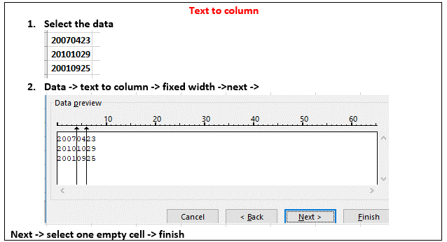
20070423 | 2007 | 4 | 23
20101029 | 2010 | 10 | 29
20010925 | 2001 | 9 | 25

20070423 | 2007 | 4 | 23
20101029 | 2010 | 10 | 29
20010925 | 2001 | 9 | 25

